LNG regas capacity information
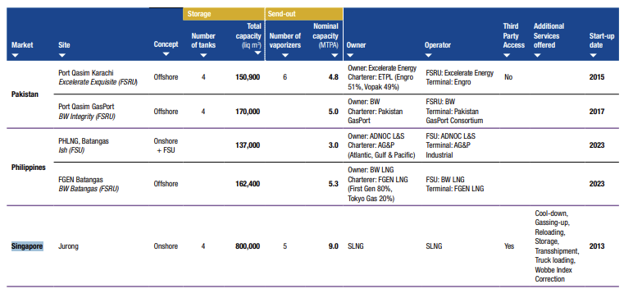
Source | https://www.giignl.org/annual-report

Regasification terminals

Singapore Bunkering Price Data
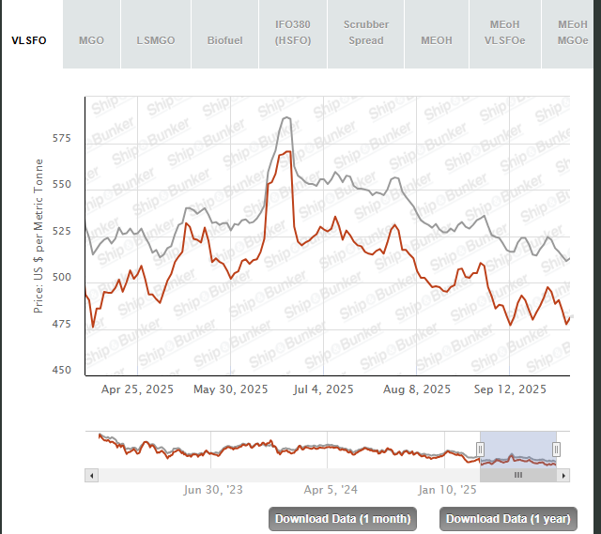
Source | https://shipandbunker.com/prices/apac/sea/sg-sin-singapore#VLSFO

depends on fuel type

